R C KPI Form
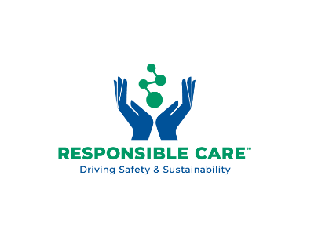

KPI FORM - WAREHOUSING

Company Name
Email address of your company RC lead & main contact
Period (Year) | 2025

1. Tonnage handled during the reported year
IN
OUT
Total | 0

2. Number of Operators and other staff (by end of reported year)
2.1 Number of Operators - incl. Subcontractors
2.2 Number of Office staff

3. Number of Incidents
Death
Lost time-Injury
Loss of Product (plastic pellets / OCS guideline)
Loss of all other chemical Products (non-plastic pellets)
Total | 0

4. Split of (forklift or other) trucks used for handling
Electric
LNG/LPG
Gasoil/Diesel
Alternative Combustion (Hybrid/Hydrogen Cells..)

5. Emission KPI's (Obligatory for 2025)
Have similar TCEs been grouped into HOCs ? (SQAS WH 10.3.2)
Total emissions per HOC (WTW emissions in kg CO2e) (SQAS WH 10.3.8.1)
Emission intensity per HOC (g CO2e/Outbound tonne) (SQAS WH 10.3.9.1)
Emission reporting by customer ? (SQAS WH 10.3.10.2

